Sheet1
 |  | BUG REPORT

Project Name | Demo Web Shop
Tested By | Kaif Beg
Reviewed By | Self-Reviewed
Start Date | 2024-11-16
End Date | 2024-11-16
Platform | Windows 10
Browser | Edge, Chrome
Assigned To | Kaif Beg
Proiority | High, Medium, Low
Status | Open

Bug ID | Module/Feature | Bug Description | Severity | Priority | Status | Environment (Browser/Device/OS) | Preconditions | Steps to Reproduce | Expected Result | Actual Result | Defect Type | Reported By | Attachments
BUG01 | Product Details Page | Wishlist button is not available for certain products. | Medium | Medium | Open | Chrome & Edge/Windows | Product details page open. | 1. Navigate to the product details page of specific products. 2. Observe the availability of the wishlist button. | Wishlist button should be available for all products. | Wishlist button is missing for some products. | UI/UX | Kaif Beg | 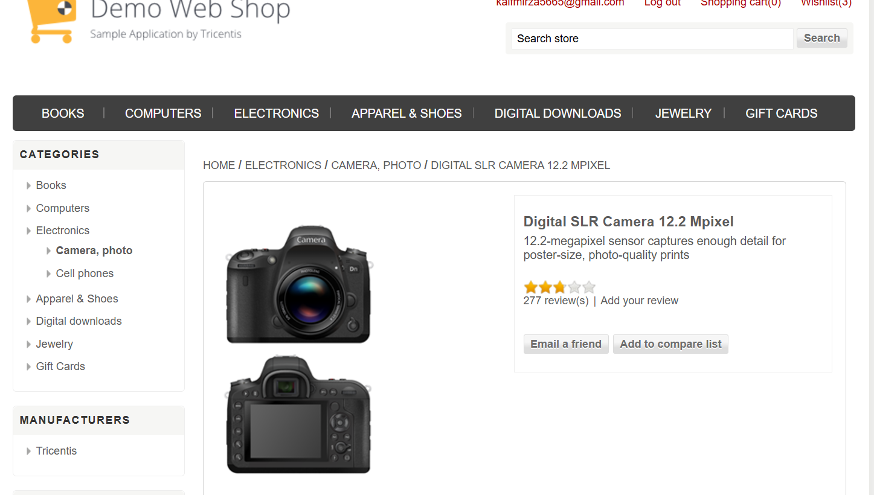
BUG02 | Camera Product Page | "Add to Cart" button is missing under camera product images. | High | High | Open | Chrome & Edge/Windows | Camera product page open. | 1. Navigate to the "Electronics > Camera" page. 2. Check for the "Add to Cart" button under product images. | "Add to Cart" button should be present for all products. | "Add to Cart" button is not visible for cameras. | Functional | Kaif Beg | 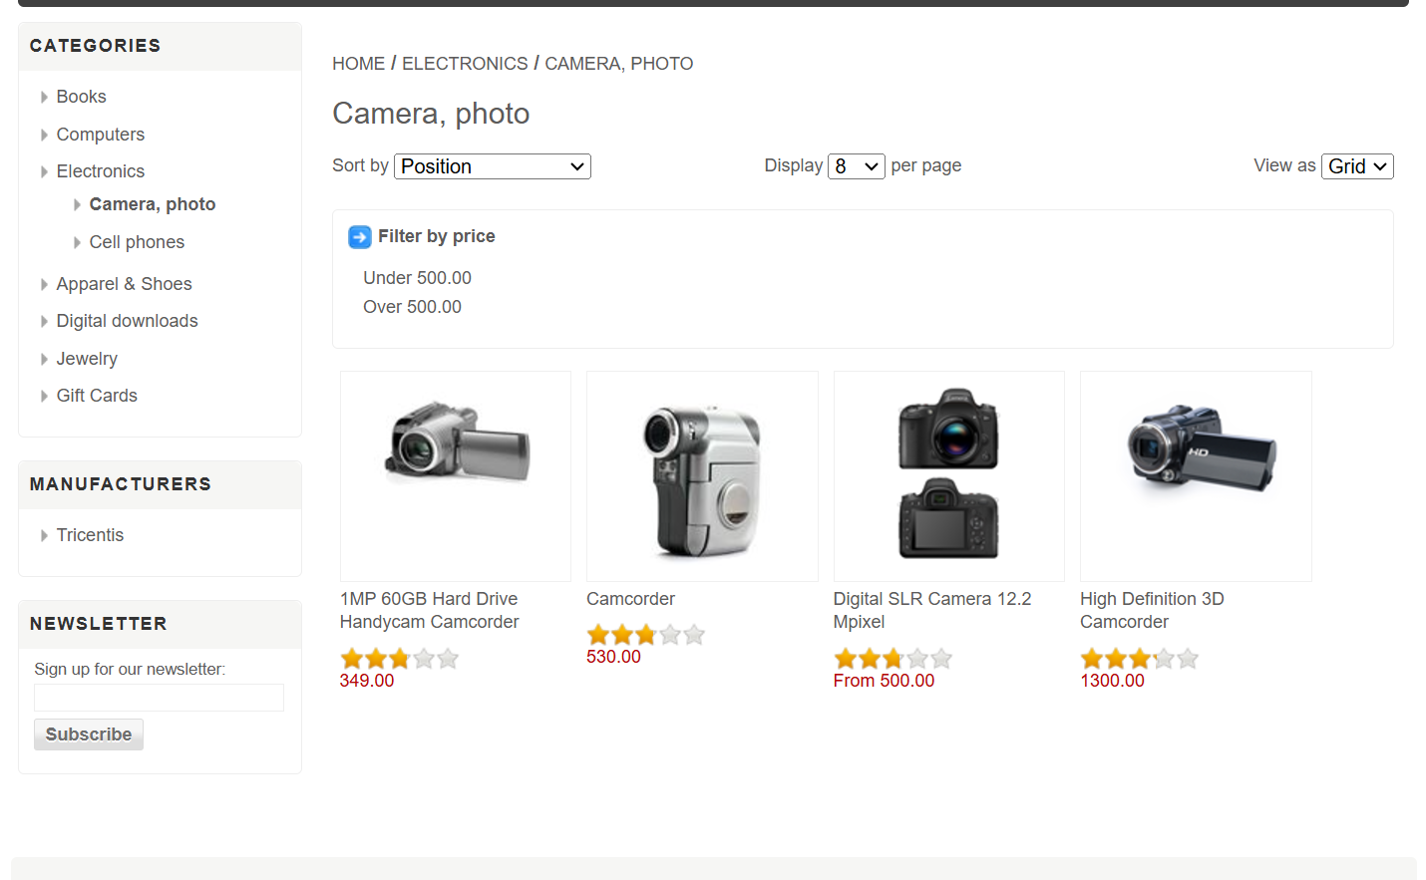
BUG03 | Checkout Page | "Apply Promo Code" field is not available on the checkout page. | High | High | Open | Chrome & Edge/Windows | Cart contains items. | 1. Proceed to the checkout page with items in the cart. 2. Look for the "Apply Promo Code" field. | "Apply Promo Code" field should be available on checkout. | The field for applying promo codes is missing. | Functional | Kaif Beg | 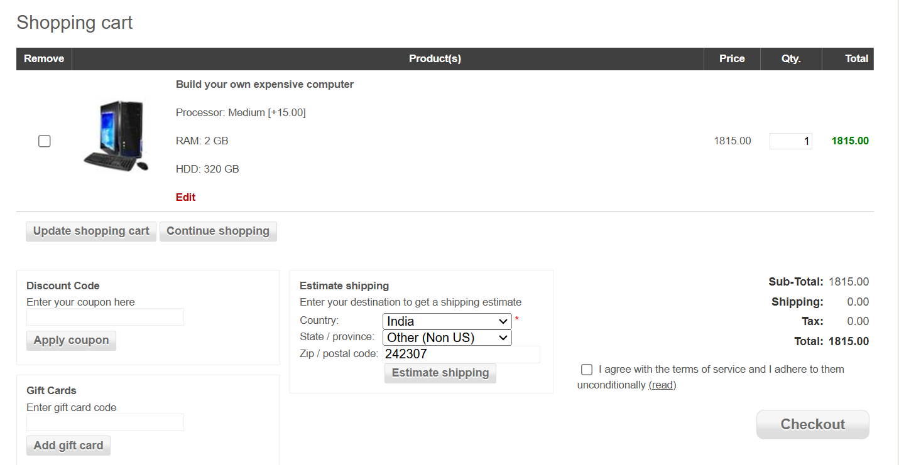
BUG04 | Computer Accessories | Product images in the "Computer Accessories" section are not visible. | Medium | High | Open | Chrome & Edge/Windows | 1. User should be logged in. 2. Navigate to the "Computers" category. 3. Select "Accessories" sub-category. | 1. Go to the website home page. 2. Click on the "Computers" category. 3. Select "Accessories" from the sub-menu. 4. Observe the product list. | Product images for each accessory should be visible. | Product images are missing, only product names and prices are visible. | UI/Usability | 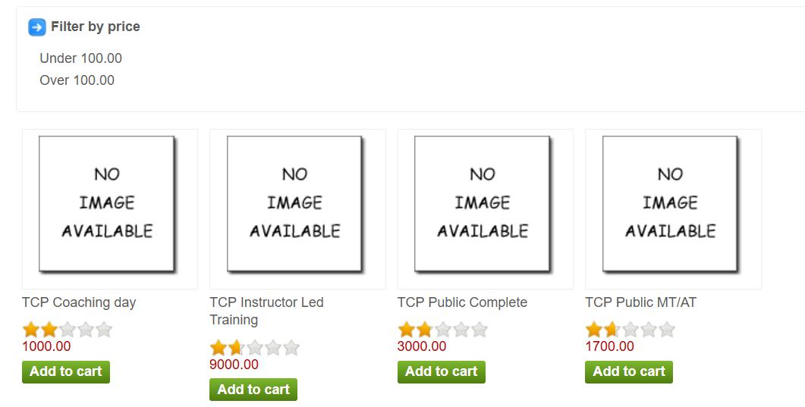 Kaif Beg
BUG05 | Profile - Downloadable | Downloadable feature shows an error message and delays navigation. | High | High | Open | Chrome & Edge/Windows | 1. User should be logged in. 2. Navigate to the "Profile" section. | 1. Login to the application. 2. Go to the "Profile" section. 3. Click on the downloadable feature. 4. Observe the behavior. | User should navigate directly to the downloadable content page without any error. | Navigation is delayed, and an error message appears: "We're sorry, an internal error occurred." | Functionality | Kaif Beg | 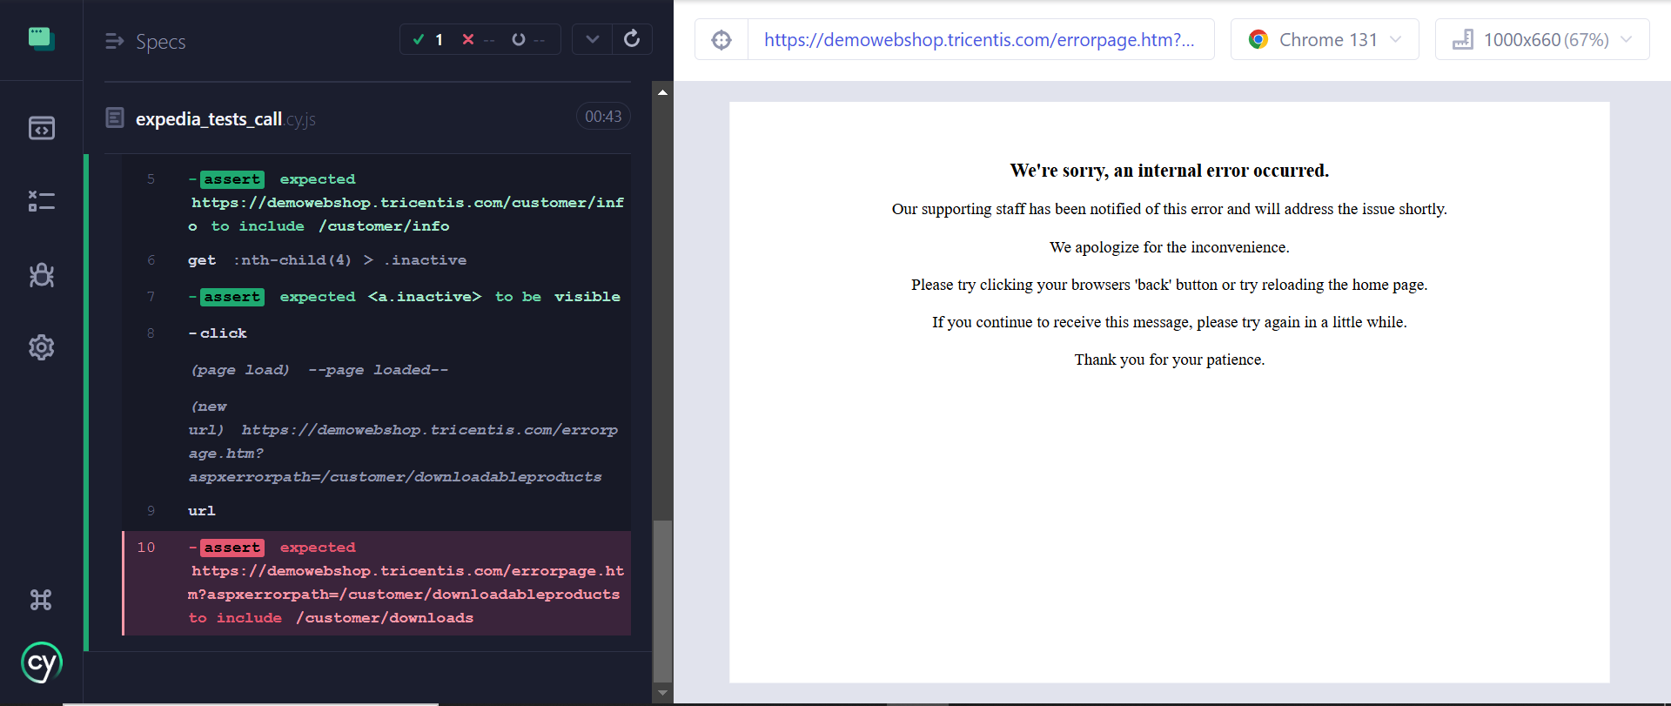
BUG06 | Registration Form | "Date of Birth" field accepts future dates. | High | High | Open | Chrome & Edge/Windows | 1. Open the registration form. 2. Enter a future date in the "Date of Birth" field. | Registration page loaded. | Should not allow future dates. | Future dates are accepted without validation. | Functionality | Kaif Beg | 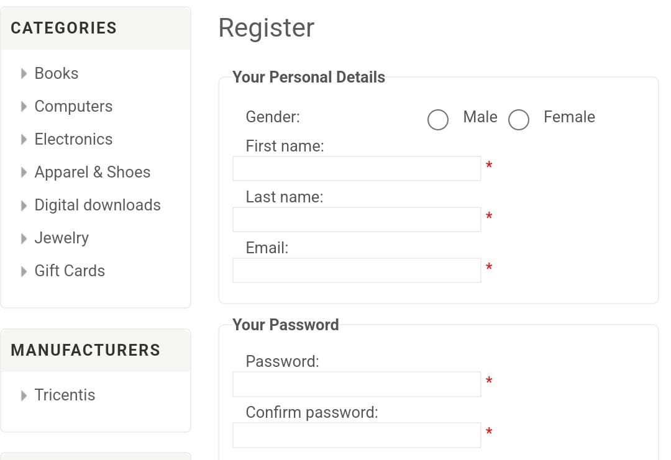
BUG07 | Electronics Page | Product images do not zoom in when clicked on mobile devices. | Medium | Low | Open | Chrome & Edge/Windows | Product images present. | 1. Open the "Electronics" page on a mobile device. 2. Tap on any product image to zoom. | Product images should zoom in when clicked. | No zoom functionality on mobile devices. | Compatibility | Kaif Beg | 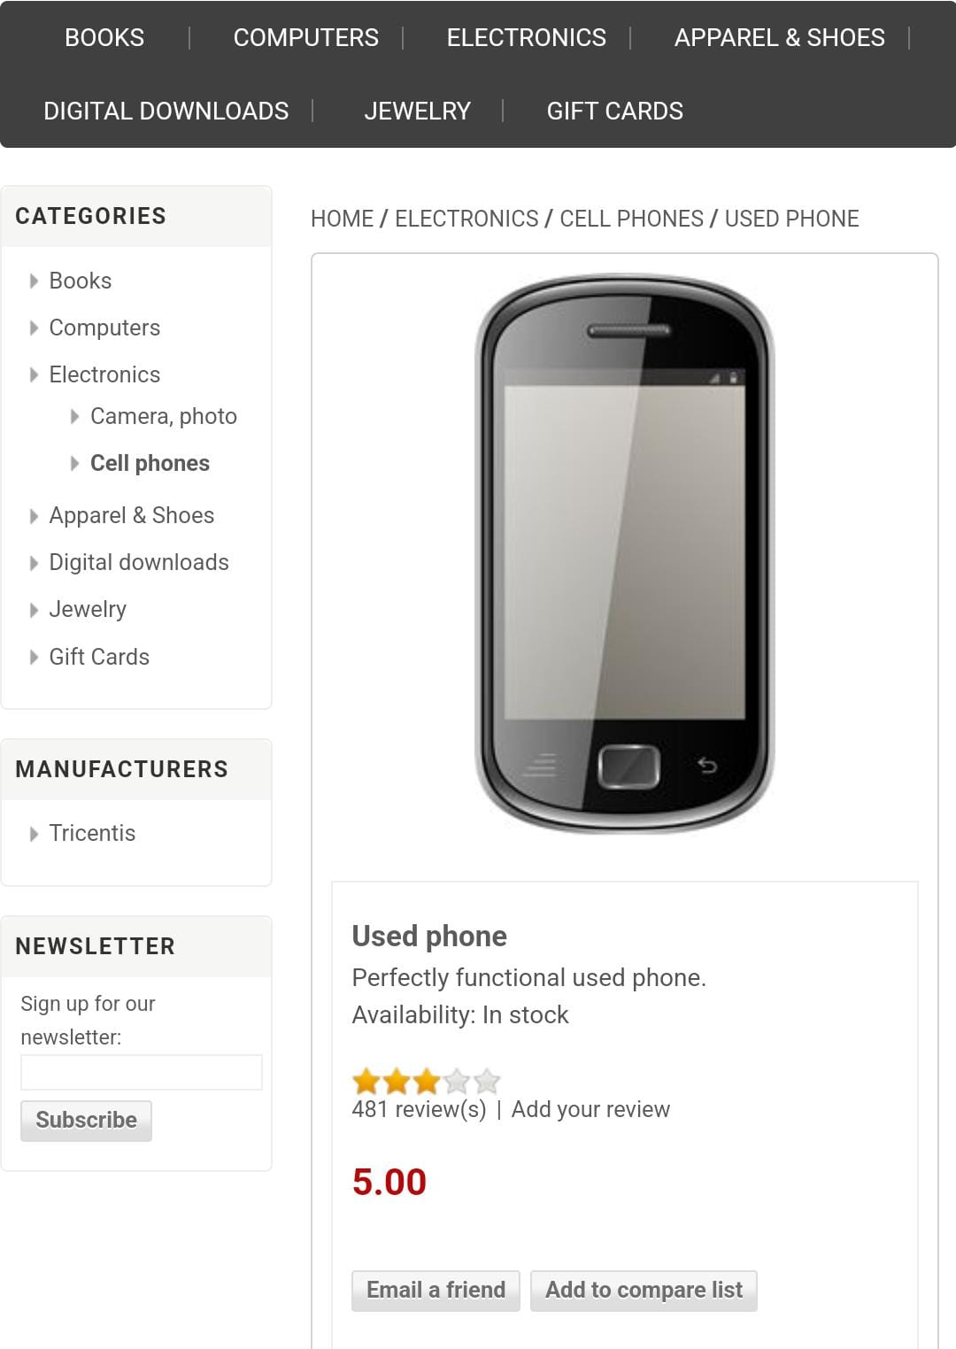 ImageZoomIssue.png
BUG08 | UI/Layout | Layout is not responsive on mobile device. | Major | High | Fail | Mobile Device (e.g., iPhone/Android) | User is on the homepage of the website. | 1. Open the website on a mobile device. | The layout should be consistent and responsive on mobile. | The layout is not consistent and responsive on mobile. | UI/UX | Kaif Beg | 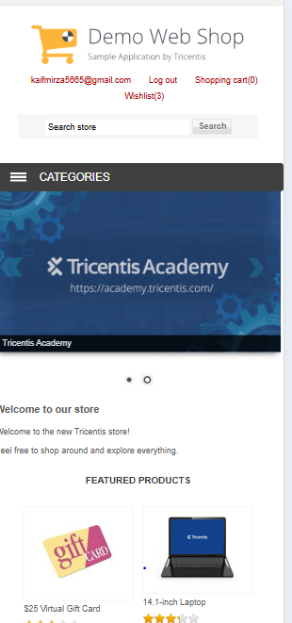
BUG09 | Usability/Help | Help and Support page is not accessible and FAQs are missing. | Major | Medium | Fail | Web Browser (Chrome, Firefox) | User is on the website. | 1. Search for the support page. 2. Verify if it is accessible from the homepage. 3. Check for available FAQs. | The support page and FAQs should exist and be accessible. | The support page and FAQs are not accessible and do not exist. | Functional | Kaif Beg | 